Index
Company Name | # Questions | Company Name | # Questions
Accenture | 60 | Maverick | 50
Agilysys | 23 | McWane | 9
Altimetrik | 120 | Newt Global | 23 | Note: This is total number of questions but not unique across/within organizations. The idea was not to make unique as many time, you may want to attend specific organization and this would give rough idea about the expected and most common questions. Hope it makes sense!

Aspire | 230 | NTT Data | 81
Amazon | 7 | Oracle | 18
Bank of America | 36 | Payoda | 14
Capgemini | 57 | Paypal | 121
CES | 36 | Photon infotech | 73
Congurent | 38 | Prodapt | 7
CSC | 17 | Prokarma | 24
CSS Corp | 9 | RBS | 81
CTS / Cognizant | 351 | Robert Bosch | 7
D&B | 15 | Scope | 30
DataCert | 38 | Sony | 18
Dell | 44 | Standard Charted | 33
DSRC | 19 | Sulekha | 5
Ericssion | 16 | Symantec | 10
FIS global | 27 | Syntel | 81
Fidelity | 71 | Tavant Technologies | 9
GAVS | 8 | Tech Mahindra | 14
Global English | 15 | Temenos | 20
GSR | 10 | Thoughtworks | 53
HCL | 399 | UST Global | 7
Hexaware | 77 | Verizon | 64
IGATE | 28 | Virtusa | 89
Indium | 13 | Wipro | 122
Intellect design | 17 | Xchanging | 41
ITC Infotech | 12 | Xerago | 10
ISG Novasoft | 12 | Total | 3093
kpit | 6
Lionbridge | 16
Lister | 10
Infosys | 69
L&T | 73

Altimetrik
 | Questions | Classification
1 | Interface and abstractclass | Core Java
2 | string and stringbuffer | Core Java
3 | string a =""; string a= ""; | Core Java
4 | diff btwn jvm and jre | Core Java
5 | diff btwn hashset and hashtable. | Hash
6 | diff btwn arraylist and array | Array
7 | use of set - collection | Core Java
8 | method overloading and method overriding | Core Java
9 | polymorpism | Core Java
10 | assert and verify and waitFor | Selenium - Basics
11 | super keyword | Core Java
12 | find links and manipulation | Selenium - Basics
13 | print data in IDE - echo | Selenium IDE - Basics
14 | Is string immutable. | Advanced Java
15 | stlc life cycle. | General - Testing
16 | If you are getting a showstopper a day before delivery what would you be doing. | General
17 | what ways you can declare string | Core Java
18 | use of javac and java | Core Java
19 | have you use ddata structures in your project | General
20 | how do u rate yourself in java and webdriver | General
 | Round 1 and 2
21 | 1. Tell me about yourself
22 | 2. Explain the framework which you have used in your project
23 | 3. Rate yourself in selenium
24 | 4. What is an Interface ? Give an example in selenium
25 | 5. What is abstract method? Can we write code under abstract method?
26 | 6. How to read data from a dynamic web table?
27 | 7. How to right click and double click the button?
28 | 8. What are the locators available and how xpath is used. Write the syntax?
29 | 9. WebDriver is a class or interface?
30 | 10. Difference between list and set

 | Next Round at Ford:

31 | 1. Tell me about yourself?
32 | 2. Which framework you have used explain
33 | 3. Rate yourself in selenium and java
34 | 4. What is an interface? Can we create objects for an interface?
35 | 5. What is method overloading? Give an example in selenium and Explain where you have used in your project?
36 | 6. What is the 3rd way to inherit the properties of parent class like apart from creating objects and by using extend keywords
37 | 7. Write the code to initialize a chrome browser?
38 | 8. What are the challenges you faced while automating the project
39 | 9. What are the different collections available?
40 | 10. Given the scenario how you will write the code for page object model. Login page enter username, password and click on submit button should navigate to home page.

 | HR Round:
41 | 1. Tell me about yourself?
42 | 2. Why you are leaving the current organization?
43 | 3. What is your Current and Expected CTC?
44 | 4. Tell me about your family background?
45 | 5. Do you have any constraints on shift timing from 2 pm to 10 pm
46 | Tell me about your selenium experience in projects
47 | Write a program to remove duplicate characters from the string and print the rest
48 | Write a program for Palindrome String
49 | Why use Extent report for generating the reports and write a syntax for log
50 | Explain about Listeners and their usage
51 | Diff b/w String Buffer and String Builder
52 | Limitations of Selenium
53 | When should use Robot class, Actions class and JavascriptExecutor
54 | About multiple inheritance
55 | About Marker interface
56 | Syntax for following and following-sibling in xpath
57 | Diff b/w this and super keyword
 | hR Round:
58 | About Multithreading
59 | Ways to compare 2 strings
60 | About Window Handling
61 | Explain static and final
62 | public class StaticClass(){
 | static int a;
 | public static void main(String Arg[]){
 | StaticClass obj1=new StaticClass();
 | StaticClass obj2=new StaticClass();
 | obj1.a=5;
 | obj2.a=7;
 | Sysout(obj1.a);
 | Sysout(a);
 | }}}
63 | what will be the output
64 | how static variable are stored in memory?
65 | Give String "abcde" and output required "abc*de"
66 | how do you handle frame in selenium
67 | drivers available in selenium

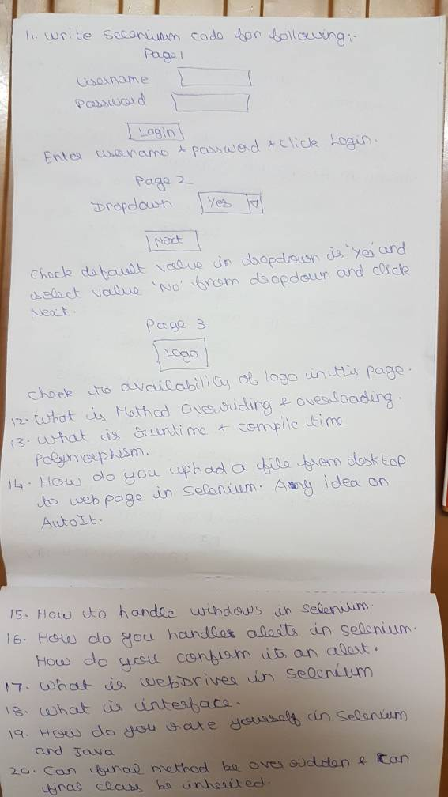

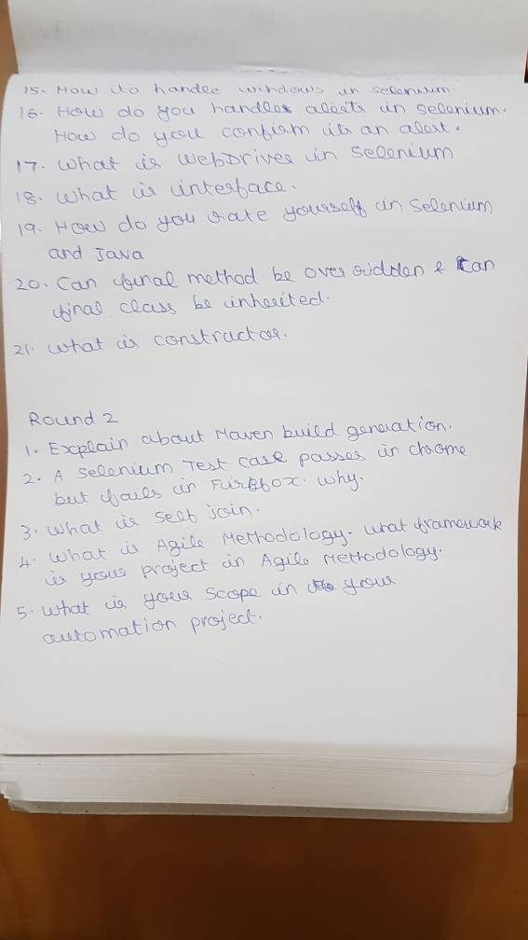

82

83 | What is POM.Explain the framework you use.
84 | Just write a sample test case ,for example, for a login page and home page and explain/write how you are implementing this in your framework
85 | write the syntax for all three types of wait in selenium
86 | What is maven and how you run a test script with Maven
87 | explain the lifecycles involved in Maven
88 | basic CSS selector syntax. And diff between CSS and xpath
89 | what is the diff between selenium 2 and selenium 3.0
90 | xpath :contains text_ syntax
91 | Between following and following sibling
92 | how will you go into this frame and enter text in the box and come back to the main window
93 | Alert is there in a webpage but the script is not performing any action on this alert. How will you handle this alert
94 | window handles program
95 | how wil you perform roght click operation
96 | diff between interface and abstract class
97 | overloading and overriding and write a sample example for each
98 | Dataprovider program
99 | syntax for groups in TestNG
100 | what are the testNG annotations and what is the sequence they gets executed
101 | Program for reading data from Excel
102 | Reverse string program
103 | 5678 "number" should be printed as 8765
104 | Joins in SQL
105 | Explain about the agile methodology followed in your project
106 | what is the regression scenario you do in your project
107 | Explain the top 3 challenges faced in your testing career and how you resolved it
108 | Have you used Jenkins. What do you know about it
109 | Why do we go for grid
110 | how do you register a node and hub
111 | how do you resolve a conflict in github
112 | How do you customize the reports
113 | Static and final keyword and its use
114 | Oops concepts and explain where and how you implemented them in your project
115 | What is Hash map and write a program
116 | List and set difference
117 | Tree, hash and linked hash difference
118 | Webtable syntax
119 | Can abstract classes be declared private
120 | What is constructor and can it be overloaded

Aspire
 | Questions | Classification
1 | What are the activities you are doing in your project? | General
2 | Which frame work you are using? | Selenium - FrameWork
3 | Tell me about the traceability matrix? | General - Testing
4 | Recursive functionality possible using Selenium IDE ? | Selenium IDE
5 | SOAP UI - Could a output response obtained from one XML can be used as input for invoking other XML? | SOAP
6 | Write test cases for a scenario - eg.entering address | Selenium WebDriver
7 | Framework - type/flow/structure? | Selenium - FrameWork
8 | Relative xpath - 3 nodes with same id value , 3rd node having additional character "xyz" - how to find relative xpath for the 3rd node? | Selenium - Xpath
9 | SQL - Inner join related query | SQL
10 | Structure of the framework? | Selenium - FrameWork
11 | where to keep your script files? | Selenium - GITHUB
12 | What approach you are using for selenium ? | General
13 | can we do file upload thru selenium? | Selenium - Uploads
14 | can we able to locate excel file in a system thru selenium? | Selenium - Excel
15 | what is test plan & test strategy? | General - Testing
 | Scenario:
16 | Tomorrow your project delivery.Today your onsite co-ordinator saying that you missed one functionality?Then what will be your reply to him and your manager? | General
17 | Write a program to reverse a number(eg. 1234 to 4321) without using modulus operator | Core Java
18 | From the below diagram find the sum greater value of the side and print that | Core Java

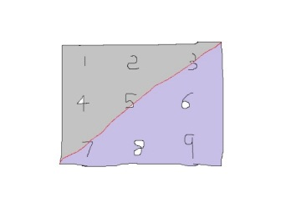

19 | Write a Java program to print the matrix values in following format | Core Java
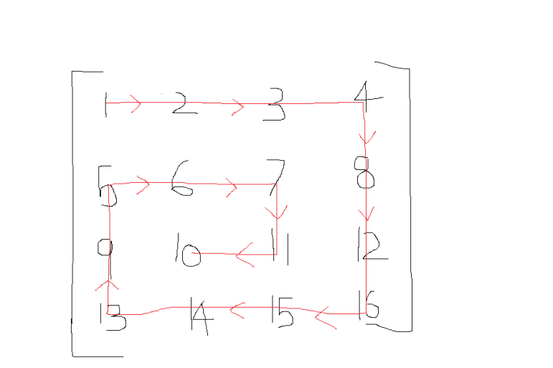

 | First Round - Pure Selenium
 | ----------------------------------------
20 | Qn 1 : How will you get the data from Excel & Write a code for it | Selenium - Excel
21 | Qn 2 : Write a code for the following scenario
22 | If I click a button, a text button will be populated with a value | Selenium WebDriver
23 | get the value and check the format is valid or not | Selenium WebDriver
24 | Qn 3 : In a paragraph, I have to extract the following things
 | Get only numbers | Core Java
 | Get only alphabets | Core Java
 | Get only alpha-numerics | Core Java
 | Get only spaces | Core Java
 | Get only special characters | Core Java
 | Qn 4 : How grid is working | Selenium - Grid
 | Second Round - Logic
 | ------------------------------
25 | Qn 1 : I have a string "CZ1234ABC45" | Core Java
26 | For example in for loop : for (i=1; i<=n; i++) | Core Java
27 | In the above for loop, instead of 1 (one) for variable "i", we need assign the above string | Core Java
28 | And it has to increment based on "i++" | Core Java
29 | Write a logic for this.
30 | Qn 2 : I have a float value 12345.4566 | Core Java
31 | I want to extract only 4566 (ie., the value after dot) | Core Java
40 | 8)What are the activities you are doing in your project? | General
41 | 9)Which frame work you are using? | Selenium - FrameWork
42 | 10)Tell me about the traceability matrix? | General - Testing
43 | 1) Develop one << Framework >> for registration page and Explain. | Selenium - FrameWork
44 | 2) Write Code: Consider you have one webpage contains nearly 100 fields, how to get all the field values in single line. | Selenium WebDriver
45 | 3) Write Code: How to find all the web elements [like radio button, check boxes, tet areas, etc..] in a page by single line of code. | Selenium WebDriver
46 | 4) Write Code: Consider Irctc From station field, type only 3 characters, in the displayed dropdown view find the first option. | Selenium WebDriver
47 | 5) If your applicationperformance is very slow. what you will do | General - Testing
48 | 6) What is explicit wait. Why thread.sleep | Selenium WebDriver
49 | 7) Consider if your application having same ids for all elements, what you will do. | Selenium - Xpath
50 | 8) You have 100 textcases in excel. but client want you to execute only 60 tc's. what you will do. Which tc's you choose from excel | Selenium - Excel
51 | 9) Challenges faced in selenium | General
52 | 10) Write Code: n=1238975. Find the biggest integer value in 'N'. [o/p : 9] | Core Java
53 | 11) Write Code: n=16845. O/p will be "n=14568". It should be integer value, It should be in ascending form. | Core Java
54 | 12) Print below pattern. Triangle pattern: | Core Java
 | 1
 | 2 4
 | 3 6 9
55 | 13) Print below pattern. like star. if n=5.[n- user input, If n is even, then terminate prg. If odd proceed] | Core Java
 | O/p will be like,
 | 1
 | 1 2 3
 | 1 2 3 4 5
 | 1 2 3
 | 1
56 | 14) X ="Good Looking"[User input]. Have to find unique characters cout. Should not any duplicate. | Core Java
 | For Ex. g - 2; o - 4; d - 1; l - 1; k - 1; i - 1; n-1. [Have to print like this] | Core Java
57 | 15) Write a code to Reverse a String. Without using any builtin functions like reverse(), charAt() | Core Java
58 | 16) Consider one div having 100 spans with unique texts. How to find expected text using Xpath. | Selenium - Xpath
59 | 17) Write code : Need to capture screenshot of the whole page. Need to scroll the page till end. | Selenium - Snapshot
60 | 18) Write Code: Find the repeated words in a given string. | Core Java
61 | 19) Write Code: Get values from Ui and compare expected values with from any database. | Selenium - Database/MySQL / Oracle / SQL
62 | 20) Write Code: Identify and form a string with unique characters. Ex. X=Good Looking. o/p = godlkin. | Core Java
63 | Following sentence was given:
64 | 0 1 2 3 4 5 6 | Core Java
65 | Tommy attending an Interview while Bob Studying | Core Java
66 | a. Reverse only the words that are in Even number in the above sentence | Core Java
67 | b. Odd number words should remain the same | Core Java
68 | c. After the words are reversed, in the reversed words increment the odd | Core Java
69 | characters alone by one alphabet (ex:- a to b, e to f, etc) | Core Java
70 | Write a program to validate the credit card number having the following pattern:[2312] [932E] [12AB] | Core Java
72 | 3. What is continous Integration? Tell something about it | General - Testing
73 | 4. What is the version tool you used in your project? | General
74 | 5. Scenario question:
75 | There are three pages 1.Create customer, 2.Edit Customer and 3.Delete customer | Selenium - POM
76 | Create customer -> Create the customer and output will be 5 field values | Selenium - POM
77 | Edit customers -> Get search results , edit and output will be 5 updated field values | Selenium - POM
78 | Delete Customer -> Delete customer (get search results and Delete ) | Selenium - POM
79 | How will you test these three pages? | Selenium - POM
80 | How will you get and where will you store the dynamically changing 5 fields | Selenium WebDriver
81 | How will you make sure you run one after the other ( first 'create customer' and then 'edit customer' then 'delete customer') | Selenium - TestNG
82 | What is the Element Identifier tool you are using? | General
83 | Your application supports only IE then how will you identify the objects? | Selenium WebDriver
84 | Are you there in your project from the beginning or you joined later? | General
85 | How did you perform POC? (proof of concept) | General - Testing
86 | There are 100 Test cases and you want to run only 10 selective Test cases for regression how will you do that? | General - Testing
87 | continuation of above question no.10, One test case i have to run as part of Regression and the same test case | General - Testing
88 | should not run as part of Smoke Testing. Both Regression and Smoke should run simultaneously. How will you do that? | General - Testing
89 | What is the use of Maven? Why do you want it ? | Selenium - Maven
90 | What are the challenges you had in your project? explain with the workaround? | General
91 | Any other tool experience you have other than Selenium? | General
92 | Tell me the Excel columns names in the keyword driven framework | Selenium - FrameWork
93 | In keyword driven framework how will you parameterize? | Selenium - FrameWork
94 | How many test scripts you written? and how long it will take to run ? | General - Testing
95 | Explain your current project | General
96 | What is the advantage of using Automation in your project? | General
97 | Quality wise what is the benefit of using Automation in your project? | General
98 | What is the reason for selecting SE for Automation in your project? | General
99 | What is current role in Test automation? | General
100 | What is the version tool you used in your project? | General
101 | Which frame work you are using? | General
102 | Page Object Model - Framework - flow/structure? | Selenium - POM
103 | where to keep your script files? | Selenium - GITHUB
104 | How do you rate yourself on Java? | General
105 | Write a program to validate the credit card number having the following pattern:
106 | [AC31] [AD22] [DE14] | Selenium - Regex
107 | Write a Program on reverse the string on like blow the this.
108 | Str = " My School is ABC" | Core Java
109 | Expected : "CBA si loohcs yM" | Core Java
110 | What is OOPS concept - explain | Core Java
111 | What is Abstract Class? | Core Java
112 | What is Interface? | Core Java
113 | What is different between Interface and Abstract class? | Core Java
114 | what is Final and Finally? | Core Java
115 | Can you tell me the example for Runtime exception and Compiletime exception. | Core Java
116 | How many time you can use Catch block while exception handling? | Core Java
117 | Syntax of cssSelector | Selenium - Locators
118 | What is the repositry you have used for objects in framework. | Selenium WebDriver
119 | Difference between webdriver and remotewebdriver? | Selenium WebDriver
120 | How does webdriver identifies UI Elements? | Selenium WebDriver
121 | write the syntax on findElement? | Selenium WebDriver
122 | Do you use to identify the Xpath? (Relative Absolute sibiling and Precding) | Selenium - Xpath
123 | Write the xpath using Precding and Absolute? | Selenium - Xpath
124 | Have you used TestNG? | Selenium - TestNG
125 | What are the different annotations in TestNG. | Selenium - TestNG
126 | What is the use of @BeforeTest/@BeforeMethod annotation. | Selenium - TestNG
127 | How do you do parameterization in testNG | Selenium - TestNG
128 | What is Data provider? | Selenium - Excel
129 | Write the program to reterieve the data from excel? | Selenium - Excel
130 | Arraylist vs list? | Core Java
131 | Have you used collections in your code ? | Core Java
132 | Explain the List and set? | Core Java
133 | Different between hashset and hashtable. | Core Java
134 | String to count indvual variable and return count only | Core Java
135 | Exception handling | Core Java
136 | Oops concept | Core Java
137 | How to Find dynamically generating object | Core Java
138 | Collections | Core Java
139 | Diff types of testing using automation | General - Testing
140 | Project explanation | General
141 | Tell about career evolution | General

 | Aspire systems:
142 | 1. What is the difference between test ng and junit | Selenium - FrameWork
144 | 3. Write an xml coding in testng with groups? | Selenium - TestNG, Maven
145 | 4. How to print the values in console in hexagon shape? | Core Java
 | 1st round:

146 | 1. Tell about yourself | General
147 | 2. What are the frameworks that u use in your project | Selenium - FrameWork
148 | 3. Explain about your project structure | General - Testing
149 | 4. Describe about property files. Where u will use | Selenium - POM
150 | 5. How I'll find an element in browser | Selenium - Locators
151 | 6. Difference between findElement and findElements | Selenium - Locators
152 | 7. What find elements returns and why | Selenium - Locators
153 | 8. There is a page having username, password and login button. U have to give input and press login button, then the page redirects to second page in second page your username should display the ur username resides inside a iframe | Seleium - Frames, Windows
154 | Explain this scenario using POM write the code for verify that the username is displayed or not | Selenium - POM
155 | 9. Write palindrome program "MADAM" | Core Java
156 | 10. List the basic tags u have know in TestNG | Selenium - TestNG
157 | 11. Difference between @parameter and @Dataprovider | Selenium - TestNG
158 | 12. What do you know about listeners | Selenium - TestNG
159 | 13. Where u have used listeners and why u have used and how | Selenium - TestNG
160 | 14. Explain about constructors | Core Java
161 | 15. Explain about exception and name the expectations that u have most encountered in your project | Core Java
162 | 16. Method overloading and method overriding difference | Core Java

 | 2nd round :

163 | 1. How years of selenium experience u had | General
164 | 2. Project methodology | General - Testing
165 | 3. Tell about ur contribution in project | General
166 | 1. Reverse the string Cognizant without using reverse Method() | Core Java
167 | what is the difference between Test NG and Junit? | Selenium - FrameWork
168 | In triangle shape bound having sooe numbers how to replace 3 numbers into another bound, write the code in Java? | Core Java
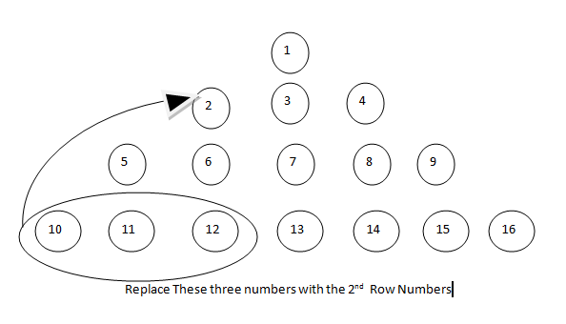

 | Round 1
169 | 1. Write a java program to find whether two strings are anagrams | Core Java
170 | 2. How would you handle when you want to run a @test only after running another @test? | Selenium - TestNG
171 | 3. Explain about your framework | Selenium - FrameWork
172 | 4. Explain the biggest challenge you have faced in automation? | Selenium - FrameWork
173 | 5. How will you call a method without creating object for the class? | Core Java
174 | 6. What is the default port your node uses to connect to the grid hub? | Selenium - Grid
175 | 7. Given a number, write a program to find the next palindrome number. | Core Java
176 | 8. Difference between xpath and css selector | Selenium - Xpath
177 | 9. How will you compare a string and string buffer? | Core Java
178 | 10. Difference between treeset and linked hashset | Core Java
179 | 11. Why does collections dont accept primitive data types? | Core Java
180 | 12. What is BDD framework? And why do we use that? ( since I have mentioned that I worked on it ) | Selenium - FrameWork
181 | 13. How will you type ten different names one after the other in next line in a text box using selenium? | Selenium WebDriver
182 | 14. Is video recording possible with selenium? | Selenium WebDriver
183 | 15. How will you convert the existing qtp scripts in a project to selenium scripts | Selenium WebDriver
184 | 16. How will you design your testng.xml if you want to run all your test cases in 15 different machines in parallel (based on my framework explanation) | Selenium - TestNG

 | Round 2:
185 | 1. There is a widget commom across pages in your application. How will you handle that? Write code for that? | Seleium - Windows
186 | 2. There is a dropdown on which you can also type. When you type something it will get added if it is not there inside. If it is already there it gets added with an index.. the index will keep on incrementing. Now write a code to type your name thrice sequentially and also check whether al the dropdown options are arranged in ascending order. | Selenium WebDriver
187 | 3. What is abstract method? Can it hold all non abstarct methods? | Core Java
188 | I dont want anybody to extend my class.. what ll u do? | Core Java
189 | 5. What is call back in java? | Core Java
190 | 6. Have you used method overriding in your project? Explain | Core Java
191 | 7. Have you ever heard about java 8? Tell me abt it | Core Java
192 | 8. What is anonymous class? | Core Java
193 | 9. What is finalize in java? | Core Java
194 | 10. Write a program to find whether a particular widget is loaded correctly or not? | Seleium - Windows
195 | 11. How will you handle windows authentication pop up? | Selenium - Alerts
196 | 12. What is dynamic binding? | Core Java
197 | 13. I traverse through my application randomly which opens new browser eachtime. How wil u handle it? And how will u toggle to the nth window at once? | Seleium - Windows
198 | 14. How will you manage/overcome merge conflicts when u push ur code to git hub repo | Selenium - GITHUB
199 | 15. Best challenge you have faced? | General
200 | 16. Some questions on my secondary skill to chk whether I have really worked on it. | General

 | Round3 with HR:

201 | This round was just to know you better as a person and a professional. Just be on your natural spontaneity. And keep d conversation lively.. they just chk whether you are really vibrant n sound without asking technical questions. | General
202 | How to write for backword and forward cambatiblity? | General - Testing
203 | Like here two version of IE browser is v9 &v10 , So here our written code should suppport to both version | General - Testing
204 | Star triangle
205 | String reverse
206 | String palindrome
207 | Fibonacci series
208 | Find the number of links
209 | How to know that a page is loaded
210 | Palindrome number
211 | Get element from a web table
212 | What is regression testing
213 | One SQL query
214 | Select a drop-down value (Y/N) according to the respective name and emp id value present in the table

215 | 1. Explain project
216 | 2) Issue/ challenges faced in project
217 | 3) question on RegEx - how to verify username which should accept one Alphabet,numeric,. Etc.
218 | 4) selenium grid
219 | 5) Jenkins usage
220 | 6) more questions on ROI, estimation and process improvement
221 | 7) diff between ALM/QC
222 | 1.Explain about the framework which u r currently using?
223 | 2.Why TestNG you peopel preferred?
224 | 3.Explain about exception in you framework?
225 | 4.what are all the different ways u identify object using xpath?
226 | 5. How many time you can use Catch block in exception handling and is it mandatory u will be using finally block ?
227 | 6.How to identify the elements which is present in frame inside a frame ?
228 | 7.In your project you were creating test data for client, how you achieve it? (grid implementation)
229 | 8.Team handling, challenges?
230 | 9.in your sprint, how you will be doing estimation?

CES
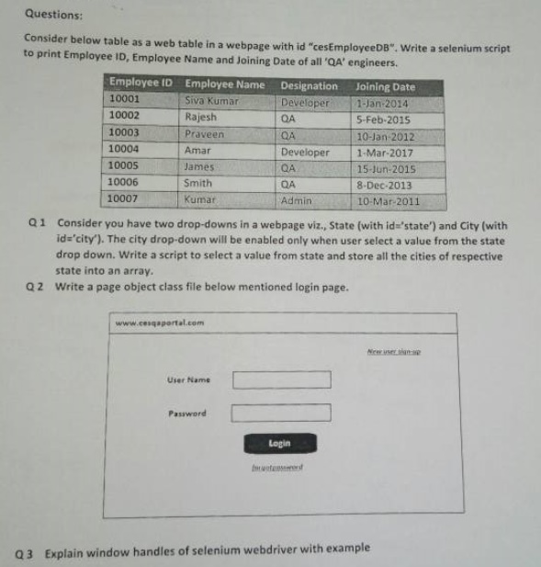
# | Questions | Classification
1 | Can you please explain briefly about you, the projects you handled and the role you played
2 | Can you explain about the framework used in your project
3 | What are the locators that you have used
4 | I want to goto a window , Gettitle of that window, again to goto another window and get its title and return back to the main window. Can you please explain the logic and the code used here
5 | what is a fluent wait
6 | what is difference between webdriver wait and fluent wait
7 | What will implicit wait do
8 | what is overloading. Can you overload a main method
9 | I want to run a program without main method. How to do it
10 | When we use Actions class what is the import that is done in eclipse. Is it selenium import or java import
11 | Syntax for Actions class and how will you use it
12 | Drag and dropby and click and hold with example
13 | Why do we use build.perform in Actions class
14 | What is a constructor
15 | What are access modifiers and their use
16 | What is super and final keyword
17 | How to create object on an interface
18 | What is diff between abstract class and interface
19 | Have you worked in collections
20 | What collections you have used in your project and why you used it
21 | Webtable implementation
22 | What wil you do in git after commit
23 | String builder Nd stringbuffer
24 | What is aggregation
25 | What is innerjoin
26 | What is STLC
27 | What are the types of testing you know and how have you used in your project
28 | Are you ok to work in manual testing project for sometime
29 | Explain about agile methodology
30 | Challenges faced and how you handled it
31 | What all the different phases of STLC(Software Test life cycle)
32 | List out different techniques used in manual testing and explain them in simple words
33 | Choose any one of all the listed product and write out negative scenarios which you think that will fail the product.
 | Choose any of the product of your choice (Black Pencil ,mobile phone ,white paper )

Maverick
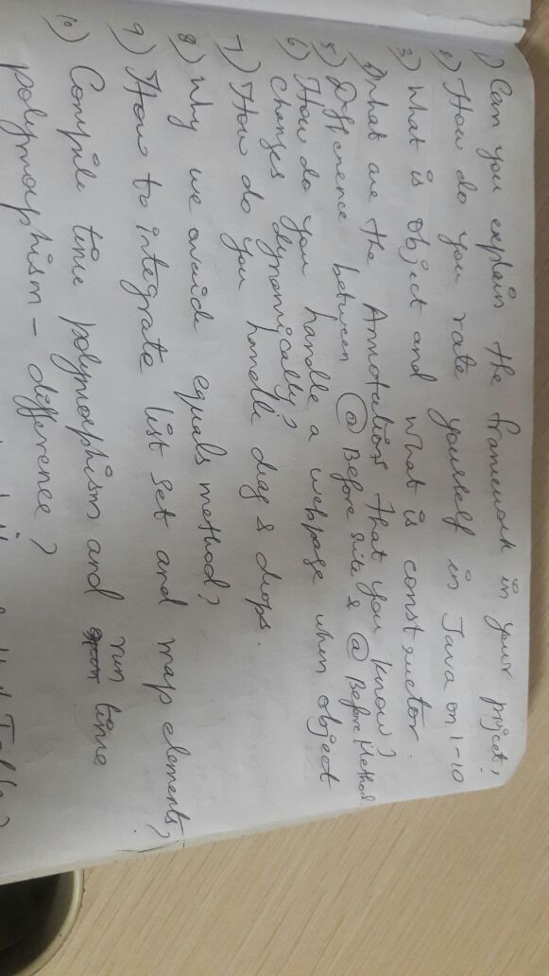
 | Questions | Classification
1
2
3
4
5
6
7
8
9

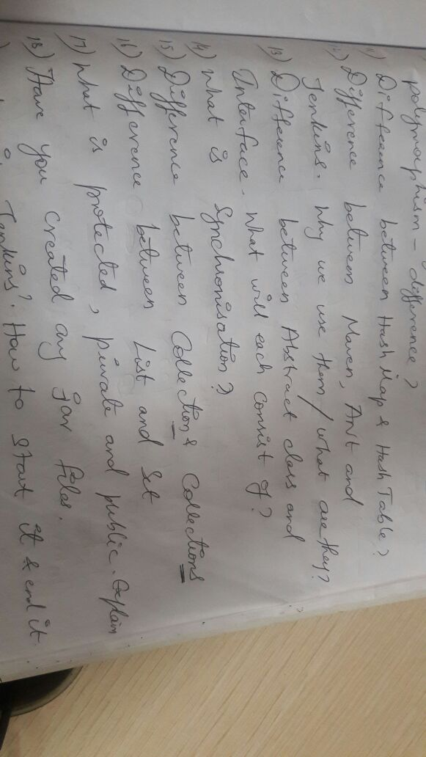

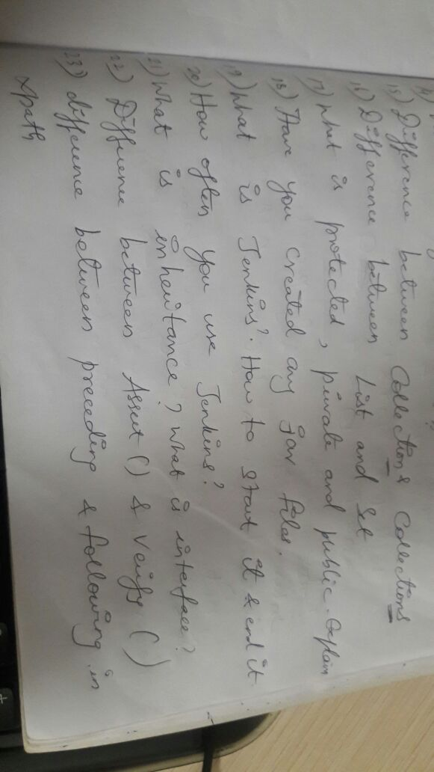

 | Maveric interview questions:
31 | Polymorphism
32 | Interface
33 | Inheritance
34 | Multiple inheritance
35 | Instance variable
36 | Abstraction
37 | Public,private,protected
38 | Explain Psvm in detail
39 | Assert key and verification
40 | Hashmap
41 | Diff bwn print and println
42 | Pgm to reverse a string without using string buffer
43 | Pgm to swap to numbers
44 | 1. How will you handle random popup windows.
45 | 2. Where did you use javascript in selenium..
46 | 3. How can u copy a file to system clipboard
47 | 4. Takescreenshot code.
48 | 5. Sort numbers by ascending order.
49 | 6. In a string.. print the repeated chars
50 | 7. Tell me abt ur framework..

Paypal
 | Questions are :- | Classification
1 | What is This keyword? Have you used in your code. | Selenium - FrameWork
2 | What is Interface? | Core Java
3 | Diff b/w Interface & Abstraction? | Core Java
4 | About Static ? | Core Java
5 | how to call static method? | Core Java
6 | how to click the 6th element in webpage - webdriver, but elements not in one frame... | Selenium - Frames
7 | how to handle alerts | Selenium - Alerts
8 | code to retrieve data from excel | Selenium - Excel
9 | code to take snapshot | Selenium - Snapshot
10 | some questions frm linux........
11 | What s virtual classes interfaces | Core Java
12 | Code to write TestNG classes and what are the parameters | Selenium - TestNG
13 | Code to write how to include and exclude groups | Selenium WebDriver
14 | Code to login to google | Selenium WebDriver
15 | Code to swap the 2 numbers without using 3rd number | Core Java
16 | What is polymorphism | Core Java
17 | Suppose there are 3 interfaces 3 simple functions how interface possible | Core Java
18 | What s string buffer string and differences between them | Core Java
19 | How many 1 m cube in 10 m cube | Quantitative Aptitude
20 | Abstract and concrete classes can we instantiate object | Core Java
21 | What is composition in java | Core Java
22 | Suppose there r 2 test cases to be executed in diff sessions is that possible | Selenium - Grid
23 | Try catch finally...when finally will be executed | Core Java
24 | What is binding and diff types of bindg | Core Java
25 | What is java reflection | Core Java
26 | Can we call private function outside the class | Core Java
27 | TestNG listeners | Selenium - TestNG
28 | - Can you brief about yourself. | General
29 | - Can you explain me about your current roles and responsibilities in your project. | General
30 | - What type of automation you do in your project. | General
31 | - Can you explain me your framework. | Selenium - FrameWork
32 | - What is BDD test approach, How is it different from normal test approaches. | Selenium - FrameWork
33 | - Explain the architecture of BPT(QTP, QC) and BDD (Cucumber JVM, Webdriver)
34 | - What are the differences between C++ and java. | Core Java
35 | - How do you rate yourself on java on a scale of 1 to 10. | General
36 | - What is continous integration.
37 | - Tools used for continous integration.
38 | - What are your achievements in the past 3 years in hcl. | General
39 | - What is access modifier in java, and difference between protected, private, public. | Core Java
40 | - What are the challenges you see when do testing in your project. | General - Testing
41 | - Why are you looking for a change. | General
42 | - What do you know about paypal | General
43 | - Are you customer of paypal? | General
44 | - Can you brief about yourself. | General
45 | - What tools you use in QA automation. | General - Testing
46 | - What is selenium. | Selenium WebDriver
47 | - Explain about your selenium framework. | Selenium - FrameWork
48 | - What is the repositry you have used for objects in framework. | Selenium - FrameWork
49 | - Can you write a sample webdriver script for login functionality of gmail. | Selenium WebDriver
50 | - What are the different annotations in TestNG. | Selenium - TestNG
51 | - What is the use of @BeforeTest annotation. | Selenium - TestNG
52 | - How do you access the methods in TestNG class file along with parameters. | Selenium - TestNG
53 | - I have a package which has 10 class files, i would like to run first 6 class files in parallel and rest 4 in sequential how do you that. | Selenium - TestNG & Grid
54 | - Write the structure of TestNG xml file for the above scenario with parallel value as "tests" and "classes" | Selenium - TestNG
55 | - How do you do parameterization in testNG | Selenium - TestNG
56 | - How is dataprovider different from passing parameters from testng xml file. | Selenium - TestNG
57 | - How do you handle dependency tests cases in testNG. | Selenium - TestNG
58 | - Write codes for the following:
59 | 1. Check if the given string is palindrome or not. | Core Java
60 | 2. Check if the given integer is palindrome or not. | Core Java
61 | 3. Write a sample code for hashmap and hashtable. | Core Java
62 | 4. write a sample code for threads | Core Java
63 | - Given an array int a[] = int a{1,2,2,3,4,4,5,5,6,7} | Core Java
64 | 1. Find the duplicates in the above array and store in to a seperate array | Core Java
65 | 2. Find the non duplicates and store in another array. | Core Java
66 | - What is the difference between hashmap and hashtable. | Core Java
67 | - Difference between stringbuffer and string classes. | Core Java
68 | - What is testing | General - Testing
69 | - What are different types of testing | General - Testing
70 | - What are the types of testing you know apart from functional and performance testing. | General - Testing
71 | - what is security testing | General - Testing
72 | - Where would you see yourself in the next 2 years | General
73 | - what is compatability testing. | General - Testing
74 | - What is code coverage | General - Testing
75 | - Why are you looking for change. | General
76 | - What do you know about paypal. | General
77 | - What are your achievements in your project. | General
78 | - What are the challenges you had in your project. | General
79 | - How would rate yourself in java out of 5. | General
80 | - What is garbage collector in java | Core Java
81 | - How do you achieve multiple inheritance in java. | Core Java
82 | - What is the difference between interface and abstract class. | Core Java
83 | - My application is dynamic in nature including objects and | Core Java
84 | - Write a program to find the prime number | Core Java
85 | - Some questions of reasoning, probability. | Quantitative Aptitude
86 | - How do you update your knowledge. | General
87 | - What is stlc | General - Testing
88 | - Can you tell me the output of each component in STLC. | General - Testing
89 | - Have you done anything innovative in the past 3 years for which you felt very happy? | General

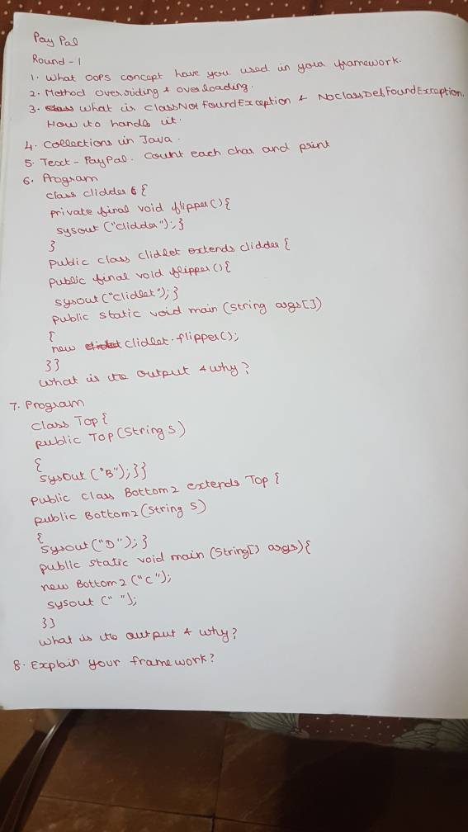

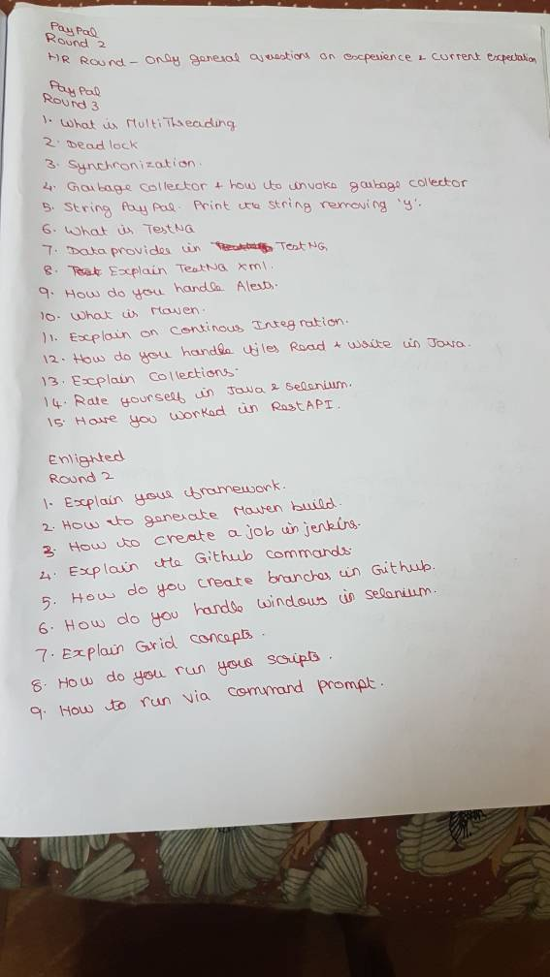

121

RBS
 | Questions:

 | RBS Round 1:
1 | 1. How to identify the objects in qtp
2 | 2. Write pgm to count the number of Web edit elements displayed in single Web page
3 | 3. What is XPath and how to invoke
4 | 4. What is Relative XPath
5 | 5. Can user able to work multiple functional libraries at same time
6 | 6. What are all the components in automation framework
7 | 7. Given the bank transaction scenarios and need to write test Conditions and test data and entry and exit criteria and types of testing
8 | 8. How to call other action in first action

 | RBS Round 2:
9 | 1. Tell me about your framework
10 | 2. Tell me about what are all the methodologies used in your project
11 | 3. What is product owner role
12 | 4. Different between epic and user stories
13 | 5. Different between Test plan and Test strategy
14 | 6. Explain about HP ALM
15 | 7. Explain Defect life cycle
16 | 8. Syntax of Update and Insert query
17 | 9. Different between Assert and Verify
18 | 10. Challenges faced during automation
19 | 11. TestNG annotations
20 | 12. What reports you are using..
21 | 13. What are the locators you used.
22 | 14. What about XPath usage

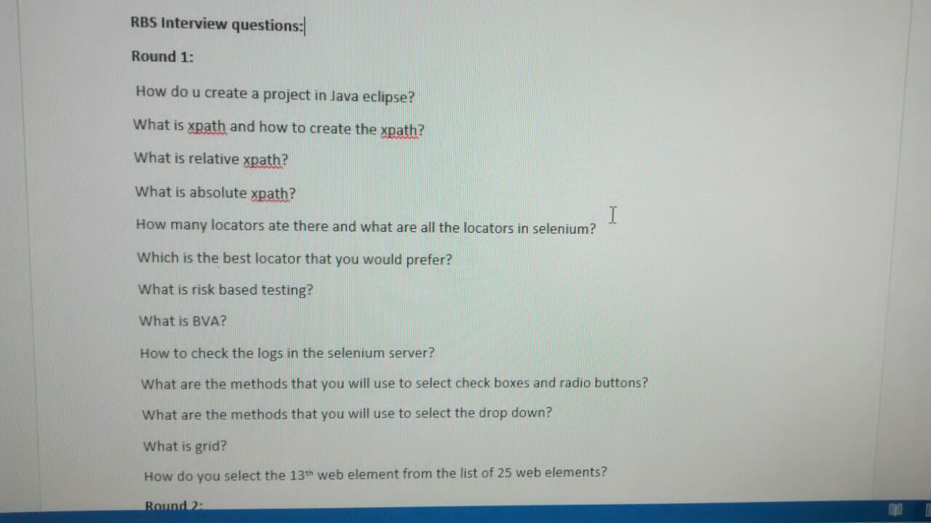

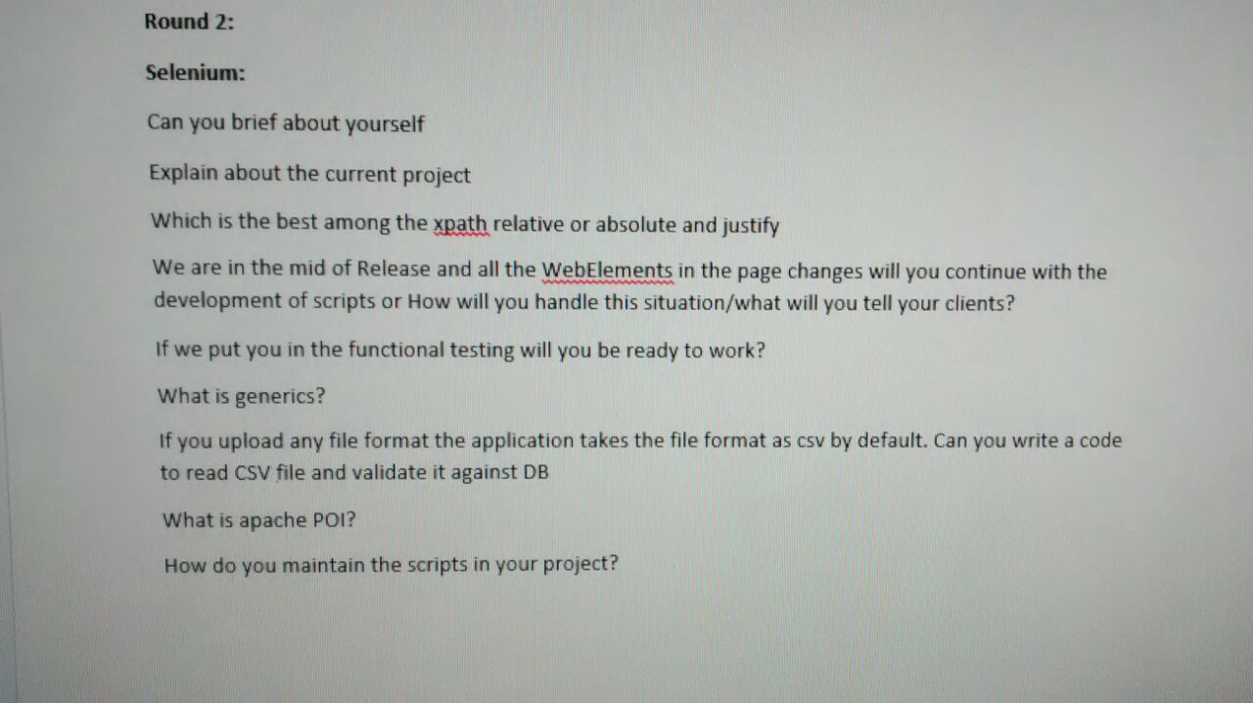
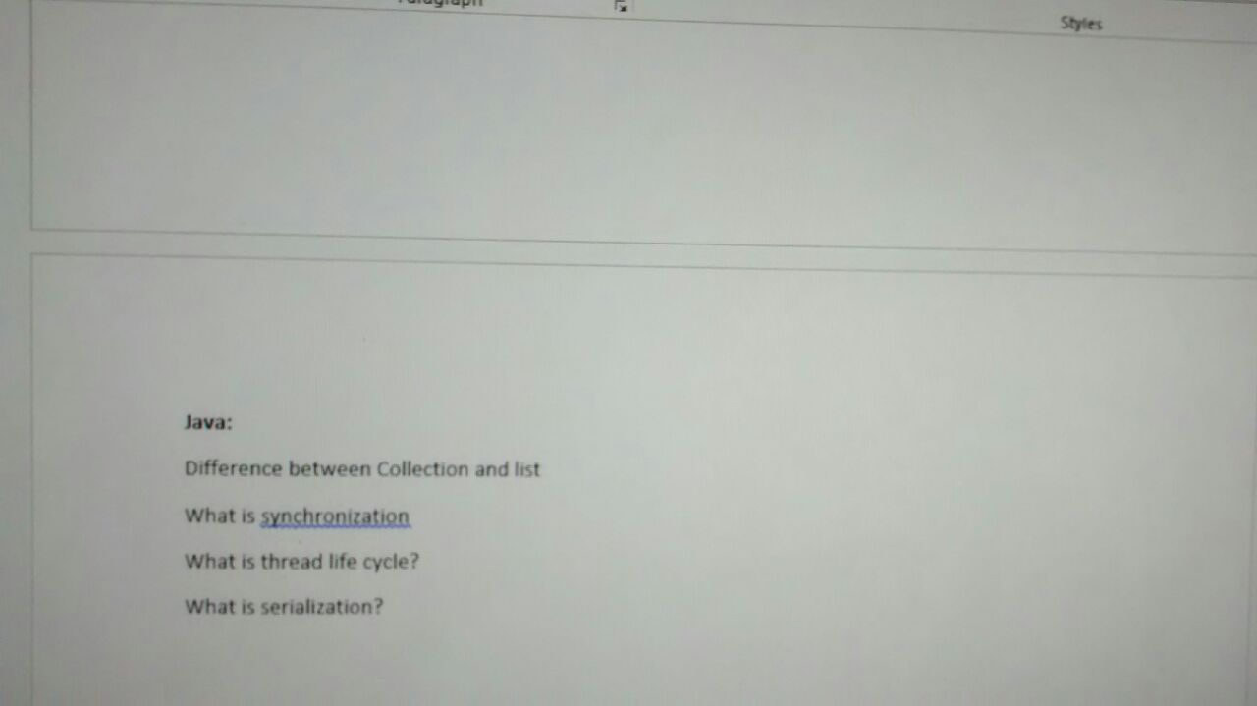

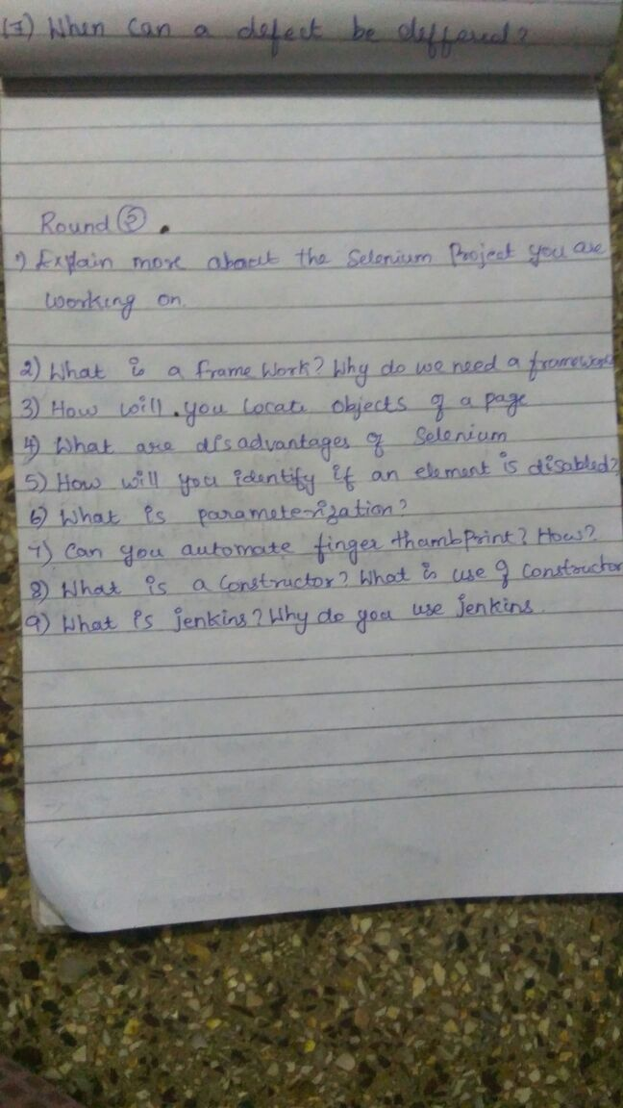
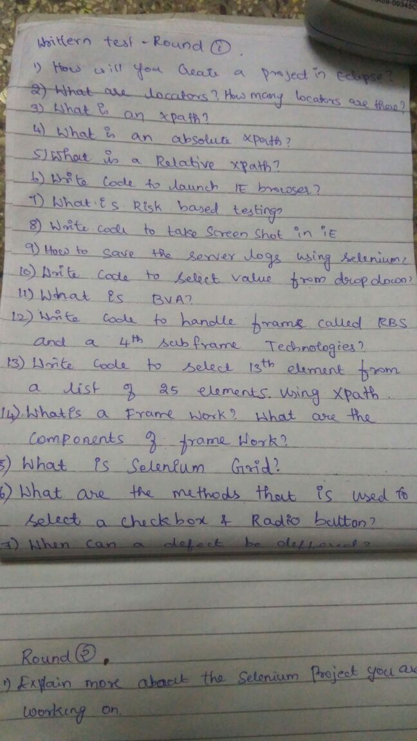

 | 1. Whats are locators how many are there?
 | 2. Which is the best suited locator?
 | 3. What is risk based testing?
 | 4. What is xpath define it types?
 | 5. What are the components of automation frame work?
 | 6. What is relative xpath? Example?
 | 7. What is absolute xpath? Example?

Sony
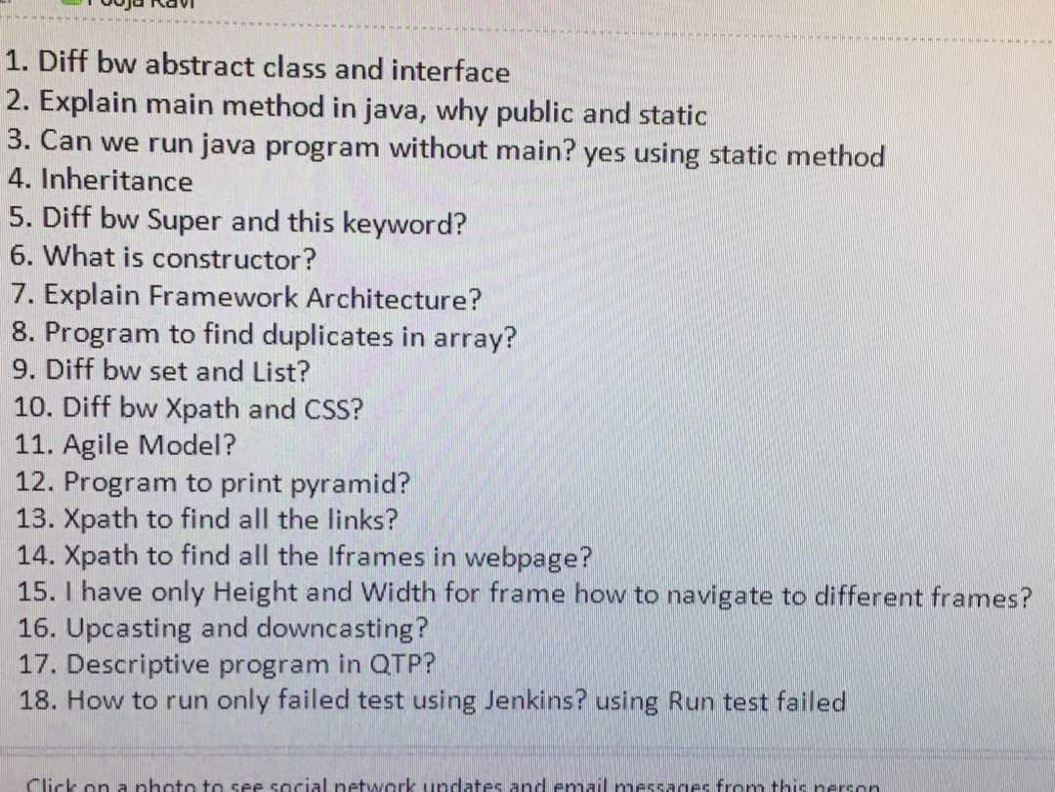
# | Questions are :- | Classification

Syntel
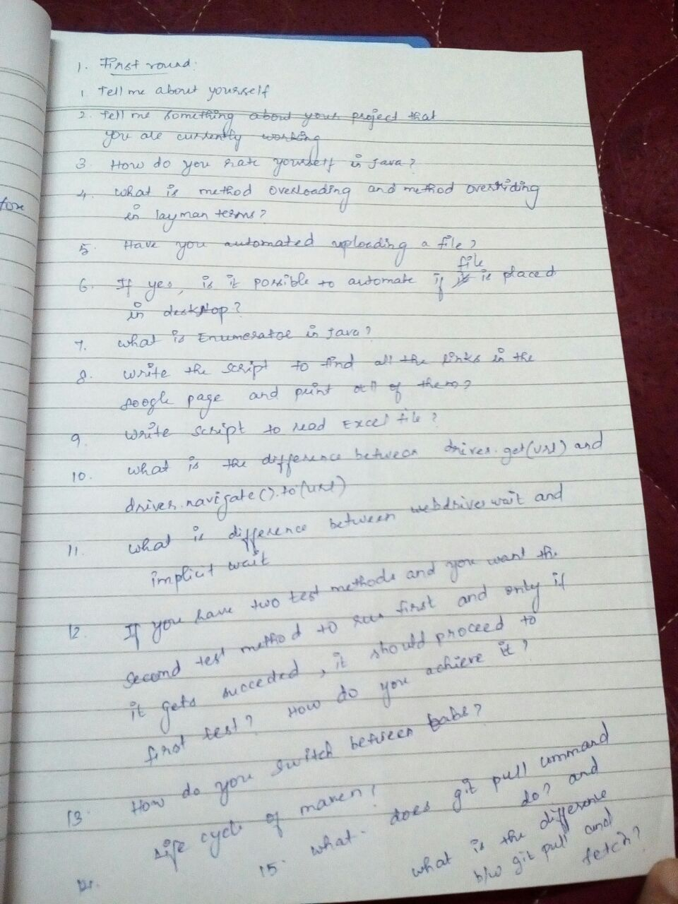
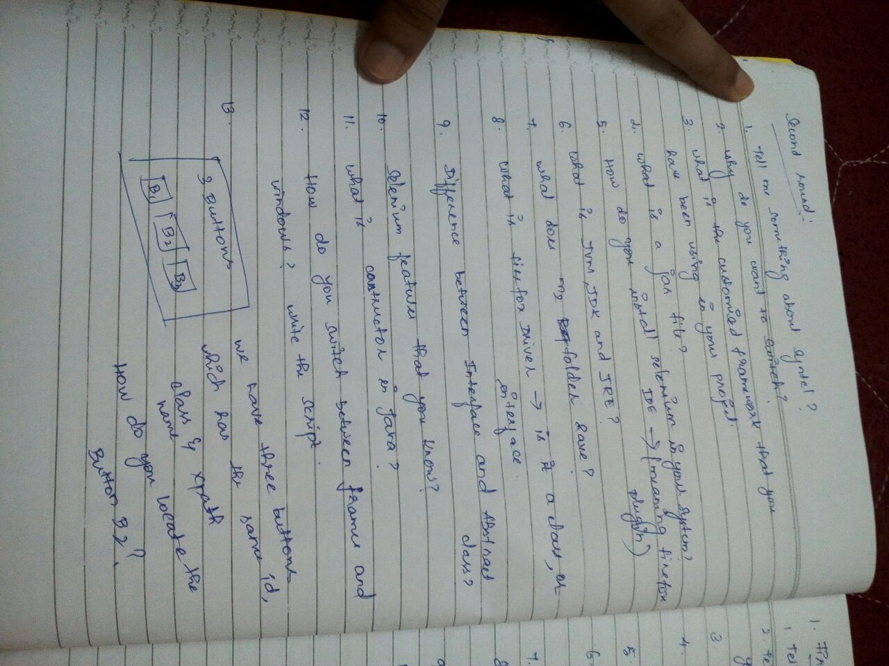
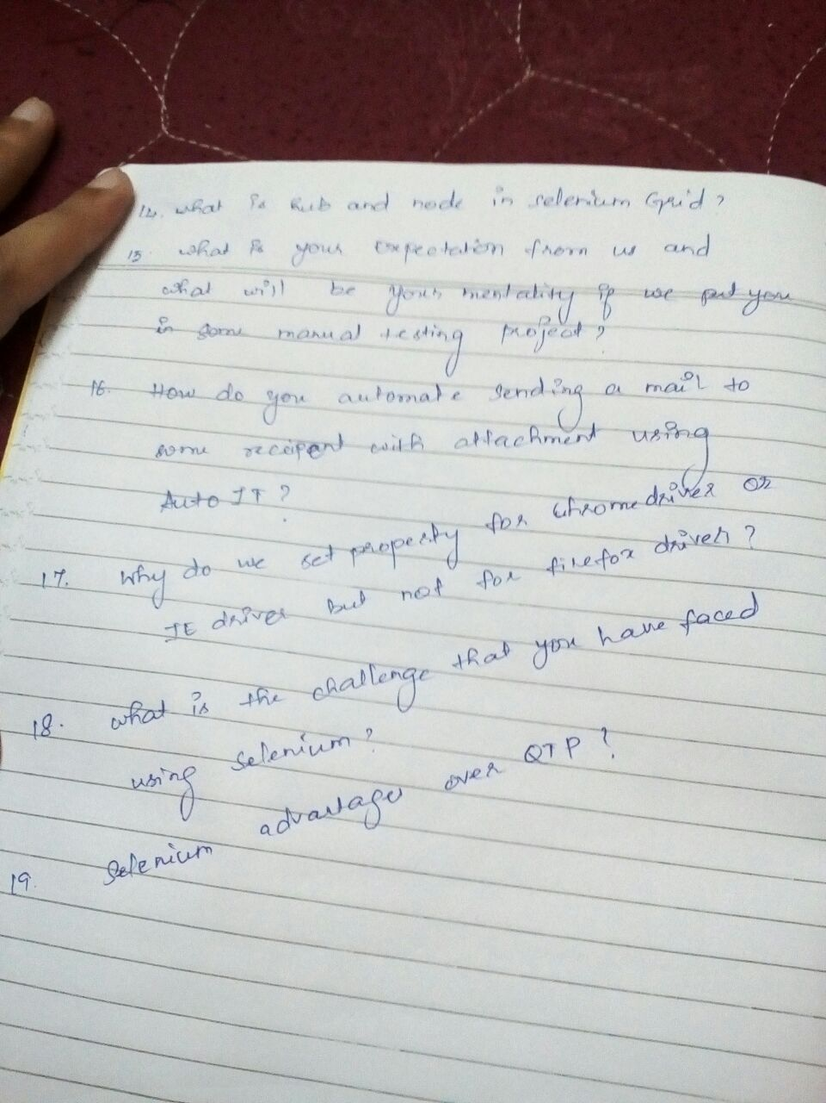
 | Questions are :- | Classification
1 | 1. What is the framework used and explain the components of it | Selenium - FrameWork
2 | 2. What is grid and how do you implement for your project. | Selenium - Grid
3 | 3. I want to execute in two browsers and how can I achieve the same ? | Selenium - Grid
4 | 4. What is the difference between Assert and Verify ? | Selenium WebDriver
5 | 5. How do you upload a file ? | Selenium - Uploads
6 | 6. How do you perform right click operations ? | Selenium WebDriver
7 | 7. How do you create a .bat file and configure a job in Jenkins? | Selenium - Maven, Jenkins
8 | 1. Tell about yourself.
9 | 2. Challenges faced in Selenium? How do you overcome it?
10 | 3. In Java, Is it possible to use String object in switch statement?
11 | 4. What is Absolute and relative Xpath?
12 | 5. How will you handle multiple windows in Selenium ?
13 | 6. How will you handle dynamic elements in Selenium ?
14 | 7. Locator of an element contains multiple strings , lets say string 1 & 2 are predictable, string 3 is dynamically changing. How will you locate this element?
15 | 8. A web application is given to you, How will you automate the web application? Define the framework Structure?
16 | 9. What are the details that a automation test report should contain?
17 | 1.differemce between implicit and explicit wait
18 | 2.methid overloading and overriding
19 | 3.have you given any solution to reduce the runtime of regression suite in ur automation experience ...
20 | 4.How to read data from excel and what is ye difference between Apache poi and JXL
21 | 5.Will Apache POI read the excel row wise ?and how will you specify the sheet name here
22 | 6.have you connected to DB from selenium code
23 | 7.Have you worked on framework development from scratch ?
24 | 8..What are the initial considerations you will do before developing a framework?
25 | 9.Can you manage a team of 7 members for writing framework from scratch..rate yourself ...
26 | 10.ur day to day activities ...What will you do daily in your project
27 | ) why you need to switch job
28 | 2) what is webdriver
29 | 3) write logic to find even numbers and explain the logic
30 | 4) what Is static
31 | 5) what is maven and it's uses
32 | 6) how to get text from elements inside frames if you have three frames in application
33 | 7) write code for taking screenshot
34 | 8) what is this keyword used for
35 | 9) what are the dependency you used in maven
36 | 10) what is the version of selenium you are using and what you started with
37 | 11) why do we need main method...
38 | 12) what are exception and why we need to handle
39 | 13) how would you rate yourself in Java
40 | 14) will you extend on Saturday if needed
41 | 15) do you know web table
42 | 16) have you taken any course for selenium
 | Second round: This was with delivery manager where the questions were specific to project

43 | 1) how to came into automation
44 | 2) if team demands to do manual as well as automation will you be able to do and deliver that
45 | 3) what challenges you faced using selenium in your project
46 | 4) have you given any kt to your team
47 | 5) what is your expectation ?

Virtusa
 | Questions are :- | Classification
1 | First Round Technical Questions
2 | 1. Tell about yourself | General
3 | 2. What kind of Framework have you implemented in your project? | Selenium - FrameWork
4 | 3. Describe the Structure of the Framework | Selenium - FrameWork
5 | 4. Write a program of Reverse of String Using String methods | Core Java
6 | 5. How do you execute your framework test cases | Selenium - FrameWork
7 | 6. Write a program to copy all contents from one excel sheet to another sheet? | Selenium - Excel
8 | 7. What if I have 50 test cases and how do I execute all those test cases? | Selenium WebDriver
9 | 8. What all Test Estimation Technique you know of? What Test estimation technique you applied in your project? | General - Testing
10 | 9. In my browser, I face security certificate violation how do I avoid that using TestNg script? What kind of desired capability you would be using it to avoid it? | Selenium - TestNG
11 | 10. How do you change your webdriver to run in remote machines? | Selenium - Grid
12 | Second Round Technical Questions
13 | 1. Tell about yourself | General
14 | 2. Explain Framework Implementation in your project | Selenium - FrameWork
15 | 3. What all Challenges you have faced in selenium | General
16 | 4. Do you have the knowledge of continuous integration like Jenkins | Selenium - Maven, Jenkins

 | 1st round
17 | Draw the architecture diagram of selenium inplementation in your project | Selenium WebDriver
18 | Expalin what sdlc model u r using in ur project | General - Testing
19 | How can you check whether a particulat text present in a webpage. What are the predefined method in selenium for checking this | Selenium WebDriver
20 | How to check whether the check box is selected or in unselected without using | Selenium WebDriver
21 | How to find whether the element is in visible or in hidden | Selenium WebDriver
22 | difference between findElement and findElements | Selenium WebDriver
23 | How you will handle pop up windows | Seleium - Windows
24 | what is testng | Selenium - TestNG
25 | how you are handling keyword driven and datadriven framework in your project | Selenium - FrameWork
26 | What is mean by hybrid framework | Selenium - FrameWork
27 | How can u upload file in webpage | Selenium - Uploads
28 | How u will handle popup in webdriver | Selenium - Windows

 | Round 1:
29 | 1. What are the Tools you know?. | General - Testing
30 | 2. Draw your application and explain the flow: | General
31 | Asked to write code for the above and explain. | General - Testing
32 | Asked to use HTMLdriver. | HTML
33 | Asked to use Xpath and CSSSelectors for locating. | Selenium - Xpath
34 | (So i explained the flow covering: dropdown, alert, frame, windowhandles, Excel read data,)
35 | 3.Asked to write program for the below scenario:
36 | Consider a website selling books. After some 20 days: you have to look for the no. of books not yet sold, and if it is more than 60% - automatically provide 20% off in the price of the books) | Selenium WebDriver
37 | I explained with the dynamic webtable concept:
38 | Get the no. of available books using findElements and so on.
39 | The interviewer said: there will ne flag called sold/ not sold and you can use that... Anyways he was satisfied with my answer.
40 | 4.Asked about other interests/hobbies. | General
41 | 5.Why looking for change? | General

 | Round 2: (It happened via telephone )
42 | 1.Explain your roles and responsibilities. | General
43 | 2.How many scripts you have designed so far (i said 300 :)) | General
44 | 3.Did you have any certifications in java? Is java as part of your subjects in your education. | General
45 | (i said purely experience based and not done any certifications)
46 | 4.Have you worked with Regular Expressions | Selenium - Regex
47 | 5.Do you know Test plan, Test Strategy? and added You should be able to handle the entire testing process and should not restrict yourself to automation alone. | General - Testing

 | Round 3: HR Round:
48 | 1.Why looking for change? | General
49 | 2.Your positives & negatives. | General
50 | 3.If we hire you: what would be the 3 things you will be looking for? | General
51 | 4.Ready for relocation? | General
52 | 5.Current CTC and Expected CTC? | General
53 | 1. About framework? | Selenium - FrameWork
54 | 2.structure of framework? | Selenium - FrameWork
55 | 3.Testng annotations in which oder it will execute he gave the senario. | Selenium - TestNG
56 | 4.Testng dependsonmethod senario to explain | Selenium - TestNG
57 | 5.drop-down he said to select last dropdown and 10th drop-down | Selenium WebDriver
58 | 6.how will u click submit button without using locators?(using Actions class). | Selenium - Locators
59 | 7.three windows opened have to click ok button in all the windows and come back to the parent window? | Seleium - Windows
60 | 8.Testng groups? | Selenium - TestNG

61 | (1)How many years selenium exp I have?
62 | (2)write a program to swap two number without third variable
63 | (3)Write a program to print prime number series
64 | (4)write a pragram to find the count of i in the string (" This is Anjali Shrivastava")
65 | (5)What is HashMap
66 | (6)write a program to find out duplicate chacters in a string using HashMap
67 | (7)Explain Set,List and Map and its difference
68 | (7) How to upload the file in selenium and write its code
69 | (8)How to perform action in the the tab opened by clicking any element of current page
70 | (9)How to scroll the page
71 | (10)Write a code for java scriptExecutor , I have used in my project
72 | (11)Explain about project
73 | (12)what is runTime Polymorphism
74 | (13)Explain DataProvider
75 | (14)Write a program to print fibonacci series
76 | (15)Why I want to switch company
77 | Sorting numbers with out using java collections

 | 2nd Round -
78 | 1.Explain about your project and my role
79 | 2.Explain about my framework
80 | 3.why i am not using craft and using POM (reason)
81 | 4.Explain POM framework(On board)
82 | 5.How I used TestNG annotation
83 | 6.Why I used jenkin and Maven in project
84 | 7.Why I want to switch company
85 | 8.Ready to join in 40 days ?

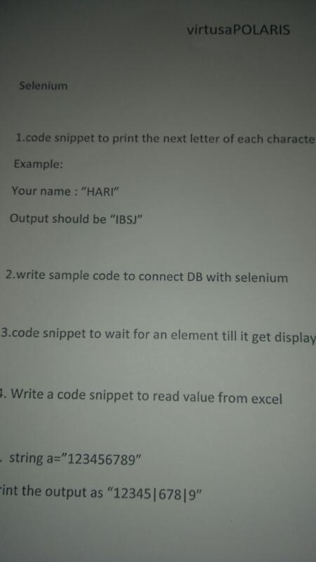

89

